Page Layout
Project Name |  |  |  | Wow tasty |  | User Type |  |  |  |  | User |  |  |  | Writer | Hak Choi
Phase |  |  |  | Requirements programing design |  | Page Name |  |  |  |  | Order List |  |  |  | Date | 11/18/2012

 | 1. Page layout

 |  | 1 ) layout
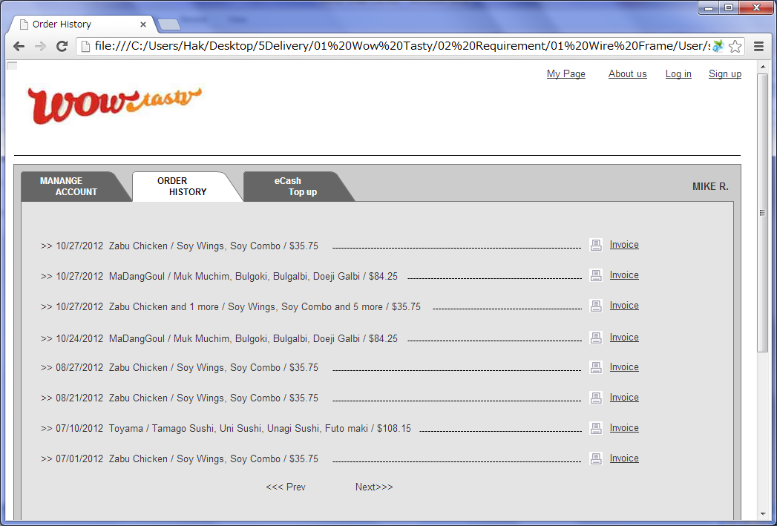

 |  | 2) Field list

 |  | No. | Name |  | Controller |  | Len | Align |  | Default |  | Note
 |  | 1 | Delivery date |  | Link
 |  | 2 | Restaurant Names |  | Link |  |  |  |  |  |  | If there is more than 1 restaurant, 1 restaurant +" and # more"
 |  | 3 | Menus |  | Link |  |  |  |  |  |  | Show max 2 menus. If there is more, 2 menus +" and # more"
 |  | 4 | Total price |  | Link
 |  | 5 | Invoice |  | Link
 |  | 6 | Prev |  | Link |  |  |  |  |  |  | If there is no previous orders, don't show the link.
 |  | 7 | Next |  | Link |  |  |  |  |  |  | If there is no next orders, don't show the link.

 |  | 3) Validation list

 |  | - Unit validation
 |  | No. | Name |  | Required | Type |  |  | Other |  |  |  |  | Error Message

 |  | - Correlation validation
 |  | No. | Condition |  | Field |  |  |  |  |  | Required |  | Other | Error message

Page Transition
Project Name |  |  |  |  | Wow tasty |  | User Type |  | User |  | Writer |  | Hak Choi
Phase |  |  |  |  | Requirements programing design |  | Page Name |  | Order List |  | Date |  | 11/18/2012

 | 2. Page Transition

 |  | 1) Event List

 |  | No. | Name |  |  | Event |  | Condition |  | Destination page
 |  | 1 | Order detail |  |  | Click |  |  |  | [Order Detail] page
 |  | 2 | Invoice |  |  | Click |  |  |  | Show [Invoice] layer
 |  | 3 | Prev/Next |  |  | Click |  |  |  | Previous/Next page

 |  | 2) Page Transition |  |  |  |  |  |  |  |  |  | page |  | layer
3

1
 |  |  |  | Order List |  |  | Order Detail

2

 |  |  |  | Invoice

